Input
 | Inch
O.C. | 16 |  |  |  |  |  | Center
O.C left over | 2.42
Steel Stud Width | 1.62
Wall Height | 196
Number of Intermediate sections | 4

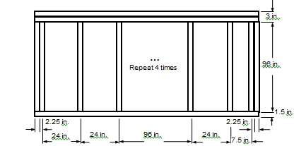
Center | Inch |  | End1 | Inch | End2 | Inch
Sill | 0.043 |  | Sill | 0.043 | Sill | 0.043
Head | 0.043 |  | Head | 0.043 | Head | 0.043
Jamb-L | 0.81 |  | Jamb-L | 3.24 | Jamb-L | 1.62
Jamb-R | 0.81 |  | Jamb-R | 1.62 | Jamb-R | 3.24

NorthWALL <23> - Middle

 |  | IP [Btu/hr-ft2-F]

 | Frame | Edge | Center
Hor-Intermediate | 0.1480 | 0.0696 | 0.0344
Hor-End1 | 0.1771 | 0.0782
Hor-End2 | 0.1653 | 0.0699
Ver-Head | 0.1757 | 0.0765
Ver-Sill | 0.1764 | 0.0771

 | SI [W/m2-k]

 | Frame | Edge | Center
Hor-Intermediate | 0.8405 | 0.395 | 0.1953
Hor-End1 | 1.0054 | 0.4441
Hor-End2 | 0.9386 | 0.397
Ver-Head | 0.9974 | 0.4342
Ver-Sill | 1.0017 | 0.4376

